Scatter Plot
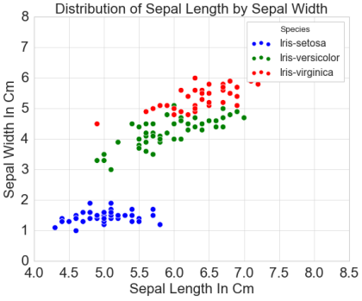
1 | df.plot(kind='scatter',x='LivingArea',y='Price') plt.show()
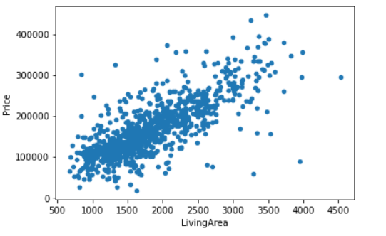

2 | from plotly.offline import iplot import plotly as py import plotly.tools as tls import cufflinks as cf py.offline.init_notebook_mode(connected = True) cf.go_offline() print(py.__version__) df.iplot(x = 'Col1', y= 'Col2', mode = 'markers', size = 10)

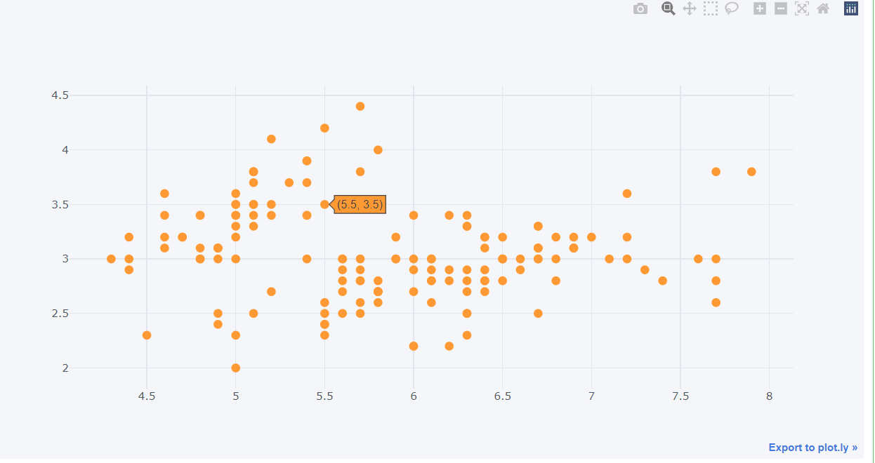

3 | plt.scatter(df.Col1, df.Col2)
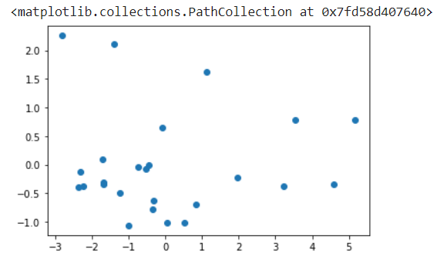

4 | colors = {'Iris-setosa':'red', 'Iris-versicolor':'blue', 'Iris-virginica':'green'} plt.scatter(x = df.PetalLengthCm, y = df.PetalWidthCm, c = df.Species.map(colors)) #, c = df.Species.map(colors), edgecolors='green' plt.xlabel('Sepal Length In Cm', fontsize = 15) plt.ylabel('Sepal Width In Cm',fontsize = 15) plt.tick_params(axis = 'both', labelsize=20) plt.title('Distribution of Sepal Length by Sepal Width', fontsize = 20) #plt.legend(df.Species, loc = 'center', fontsize = 10) # Setting the legends and its location and its fontsize plt.show()
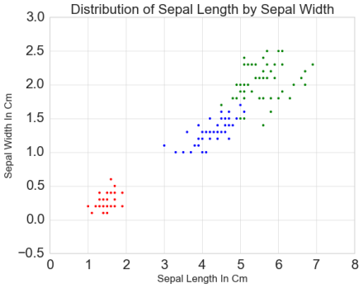

5 | sns.scatterplot(x = df['SepalLengthCm'], y= df['PetalLengthCm'], hue = df.Species, s = 60) plt.xlabel('Sepal Length In Cm', fontsize = 20) plt.ylabel('Sepal Width In Cm',fontsize = 20) plt.title('Distribution of Sepal Length by Sepal Width', fontsize = 20) plt.tick_params(axis = 'both', labelsize=20) plt.show();

Heat Map
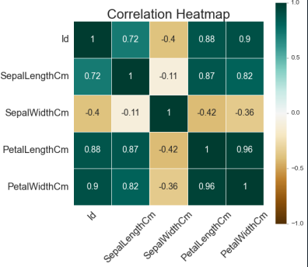
1 | plt.figure(figsize=(8,8)) sns.heatmap(df.drop(columns='Fireplace').corr(),annot=True,cmap='Blues') plt.show()
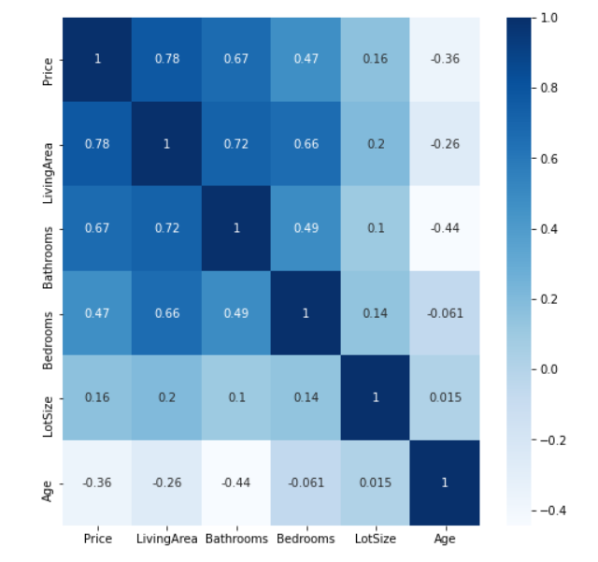

2 | from plotly.offline import iplot import plotly as py import plotly.tools as tls import cufflinks as cf py.offline.init_notebook_mode(connected = True) cf.go_offline() print(py.__version__) corr = df.corr() corr.iplot(kind = 'heatmap', colorscale = 'RdBu')
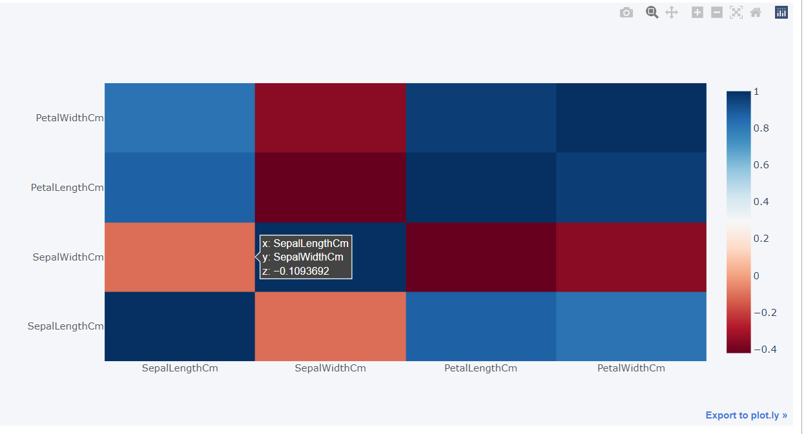

3 | corr_matrix = df.corr() sns.heatmap(corr_matrix, annot=True, cmap='BrBG', vmin = -1, vmax = 1, linewidths=.5, cbar_kws={"shrink":1.2}, annot_kws={'size':16}) plt.tick_params(axis = 'x', labelsize=18, rotation = 45) plt.tick_params(axis = 'y', labelsize=18) plt.title('Correlation Heatmap', fontsize = 25) plt.show()

Residual Plot
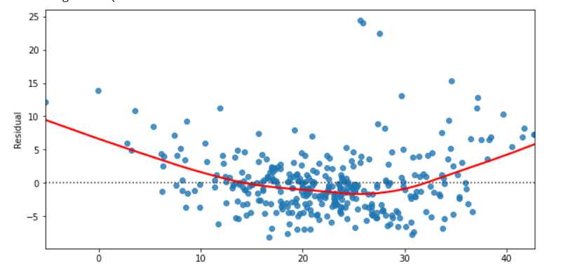
1 | plt.figure(figsize=(10,5)) sns.residplot(y_pred, 'Target_col or y', data=train, lowess=True, line_kws={'color':'red'}) plt.ylabel('Residual') plt.show()

Probability Plot
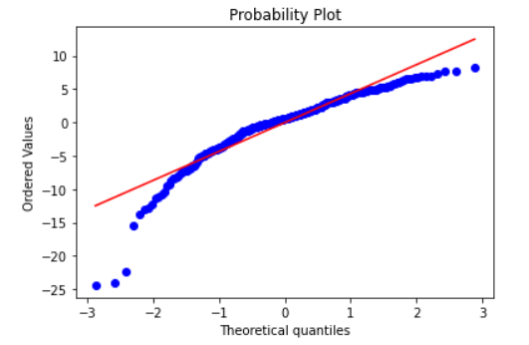
1 | import scipy.stats as stats residual = y_pred - y stats.probplot(residual, dist = 'norm', plot=plt) plt.show()

Count Plot
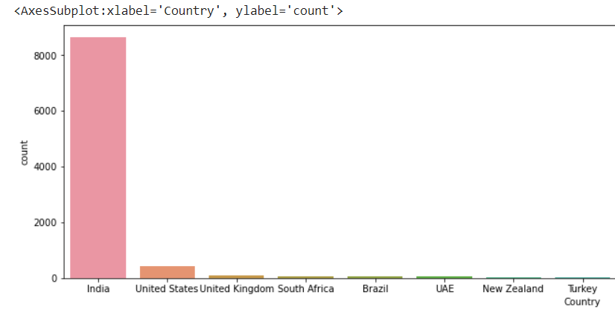
1 | plt.figure(figsize=(20,5)) sns.countplot(data.age,hue=data.target,palette='rainbow') plt.show()
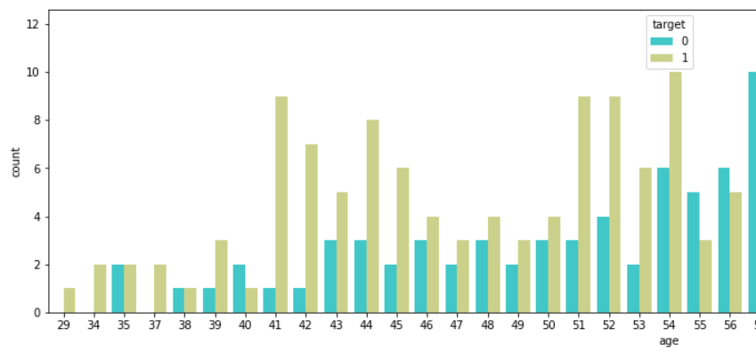

2 | plt.figure(figsize=(20,5)) vc = df.Country.value_counts() sns.countplot(x='Country',data=df,order=vc.index)

Box Plot
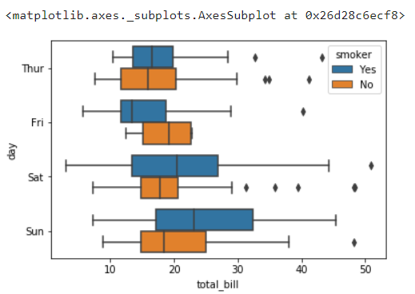
A box and whisker plot (sometimes called a boxplot) is a graph that presents information from a five-number summary.

 | 1 | sns.boxplot(hp.Price_num)
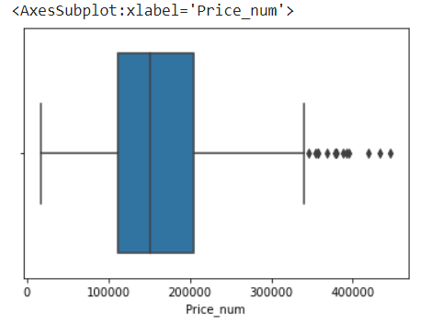

 | 2 | sns.boxplot(cars.MSRP,cars.Origin)

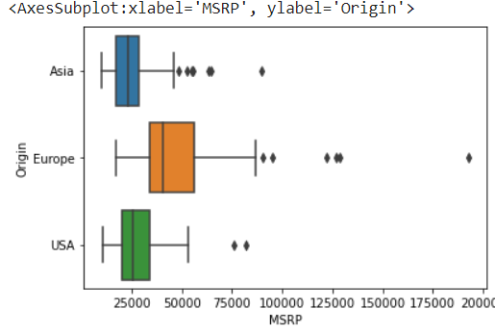

 | 3 | plt.figure(figsize=(18, 12)) sns.boxplot(x = 'Species' ,y="PetalLengthCm", data=df) # Multivariate: for more than one variable plt.title('Boxplot - Sepal Length by All Species', size = 20) plt.xlabel(xlabel = 'Species',fontsize = 20) plt.ylabel('Sepal Length',fontsize = 20) plt.title('Boxplot of Sepal Length by Species', fontsize = 20) plt.tick_params(axis = 'both', labelsize=20) plt.show()
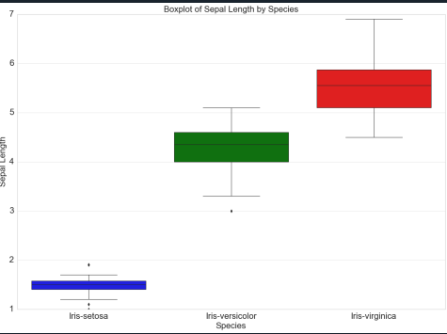

 | 4 | sns.boxplot(x="total_bill", y="day", hue="smoker",data=df)

Distribution Plot
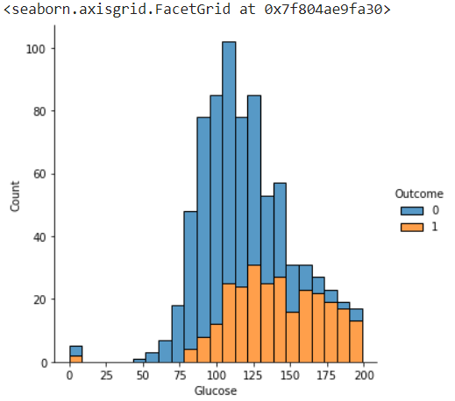
 | Dist plot helps us to check the distribution of the columns feature

1 | dsprsnt = data[data.target == 1] dsabsnt = data[data.target == 0] f, axes = plt.subplots(1,2,figsize=(15,5)) sns.distplot(dsprsnt.age,ax=axes[0],color='salmon') sns.distplot(dsabsnt.age,ax=axes[1],color='green')

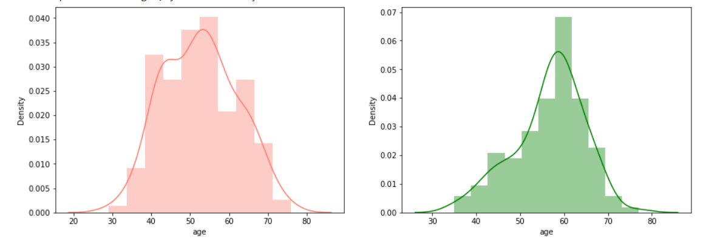

2 | sns.displot(hp.Price_num)
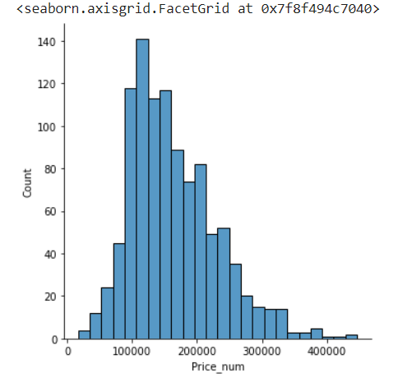

3 | sns.displot(data=hc,x='Glucose',hue='Outcome', multiple="stack")

Categorical Plot
def cat_plot(data,var,target): f, axes = plt.subplots(1, 3, figsize=(18,5)) # Plot pie chart vc = data[var].value_counts() nounique = data[var].nunique() vc.plot.pie(ax=axes[0], explode=[.05]*nounique, cmap='Set3') # Plot countplot sns.countplot(x=data[var], hue=data[target], ax=axes[1], palette='Set2') # Plot heatmap heatmap_data = pd.crosstab(data[var], data[target]) sns.heatmap(heatmap_data, cmap='Blues', annot=True, fmt='d', ax=axes[2]) # Set title and labels axes[0].set_title('Distribution of ' + var) axes[1].set_title('Countplot of ' + var) axes[2].set_title(target + ' vs ' + var) axes[1].legend(title=target, loc='upper right') plt.show() cat_plot(data, 'Sex', 'Survived')
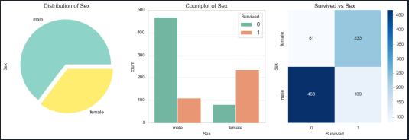

for i in cat: f, axes = plt.subplots(1,2,figsize=(15,5)) vc = (data[i]).value_counts() nounique = (data[i]).nunique() vc.plot.pie(ax=axes[0]) sns.countplot(x=(data[i]),hue=data.target,ax=axes[1])

Pair Plot
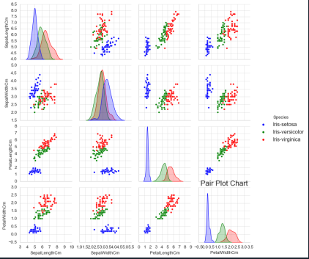
A “pairs plot” is also known as a scatterplot, in which one variable in the same data row is matched with another variable's value, like this: Pairs plots are just elaborations on this, showing all variables paired with all the other variables

 | 1 | sns.pairplot(data.loc[:,~data.columns.isin(cat)],hue='target',palette='Set1')

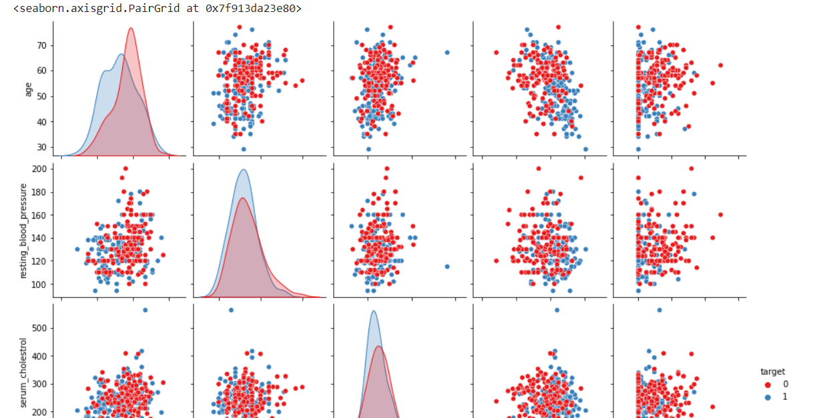

 | 2 | sns.pairplot(data = df[['SepalLengthCm', 'SepalWidthCm', 'PetalLengthCm', 'PetalWidthCm','Species']], hue = 'Species', diag_kind = 'kde') plt.title('Pair Plot Chart', fontsize = 20) plt.tick_params(axis = 'both', labelsize=20) plt.show()

Line Plot
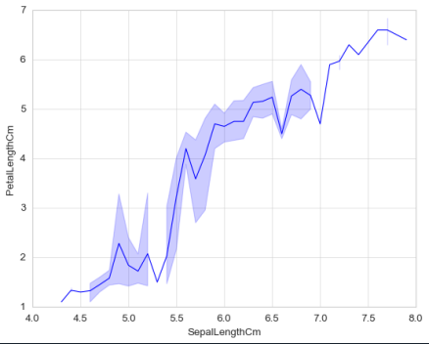
1 | plt.plot(df[["Col1","Col2", "Col3","Col4"]])

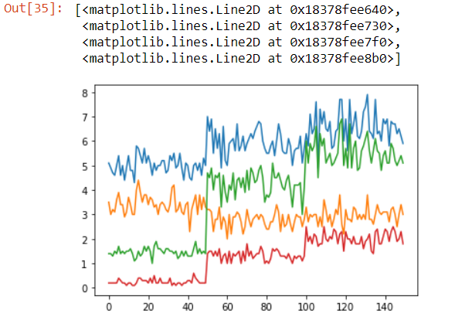

2 | from plotly.offline import iplot import plotly as py import plotly.tools as tls import cufflinks as cf py.offline.init_notebook_mode(connected = True) cf.go_offline() print(py.__version__) df[["Col1","Col2", "Col3","Col4"]].iplot(title = "LINE PLOT", xTitle = "x-axis", yTitle = "y-axis", size = 10)
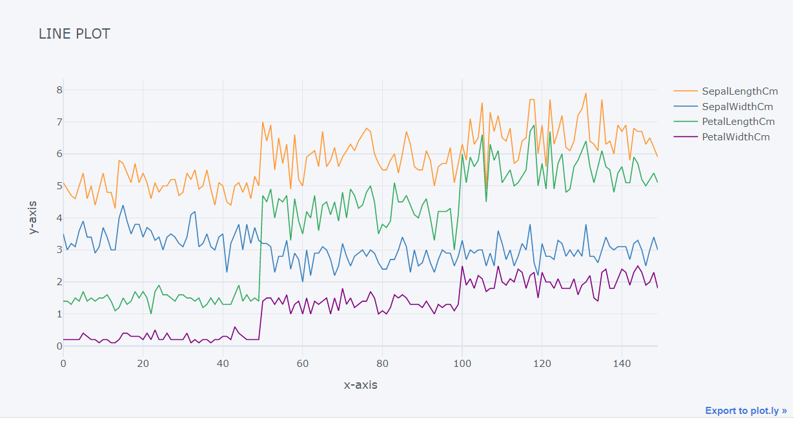

3 | y = df.set_index('year') y.plot(figsize=(15, 6)) plt.show()

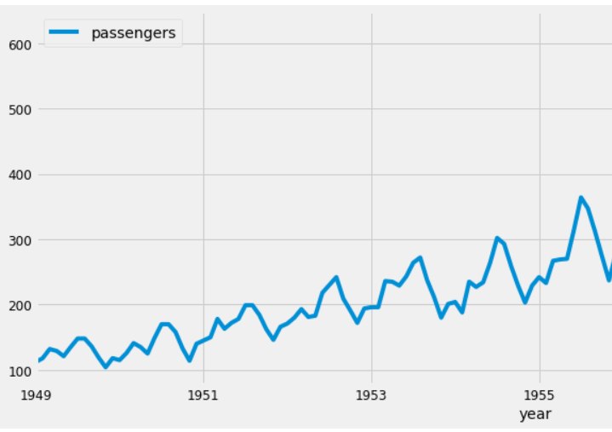

4 | plt.figure(figsize=(10,5)) sns.set_style("whitegrid") plt.plot(train_accuracies,'go--',label = "train_accuracies") plt.plot(test_accuracies, label = "test_accuracies") plt.legend(loc = "upper left", prop = {'size':15}) plt.xticks(range(3,26,5)) plt.xlabel('max_depth',size=18) plt.ylabel('accuracies',size=18) plt.show()

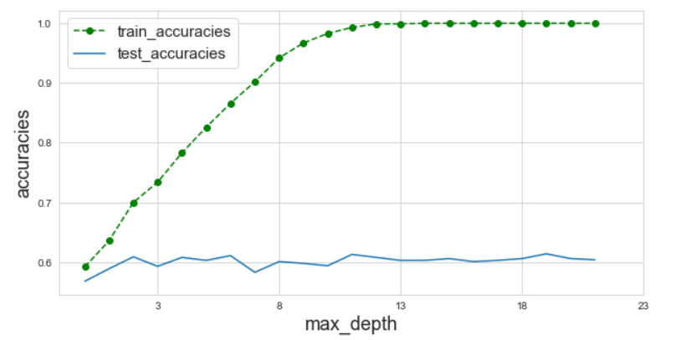

5 | sns.lineplot(x = df.SepalLengthCm, y = df.PetalLengthCm) sns.scatterplot(df.SepalLengthCm, df.PetalLengthCm) plt.xlabel('Sepal Length In Cm', fontsize = 20) plt.ylabel('Petal Length In Cm',fontsize = 20) plt.title('Distribution of Sepal Length by Petal Length', fontsize = 20) plt.tick_params(axis = 'both', labelsize=20) plt.legend(loc = 'upper left', fontsize = 20) plt.show()
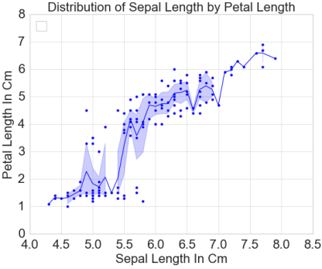

6 | sns.lineplot(x = df.SepalLengthCm, y = df.PetalLengthCm)

Bar Plot
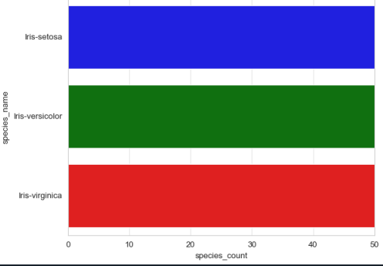
1 | plt.bar(x = df1.species_name, height = df1.species_count, align = 'center') font = {'family': 'serif', 'color': 'darkred', 'weight': 'normal','size': 16} plt.title("Species Frequency", fontdict=font) plt.xlabel("Species Name", fontdict=font) plt.yticks(fontsize = 20) plt.ylabel("Species Count", fontdict=font) plt.xticks(fontsize = 20)
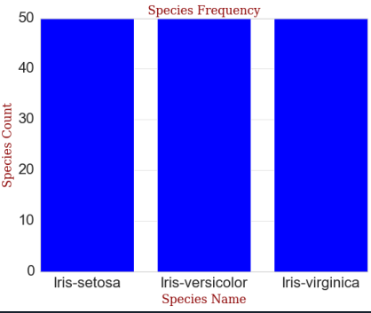

2 | # bar plot of the 3 classes plt.bar(10,Col1_Count,3, label="EAP") plt.bar(15,Col2_Count,3, label="HPL") plt.bar(20,Col3_Count,3, label="MWS") plt.legend() plt.ylabel('Number of examples') plt.title('Proportion of examples') plt.show()
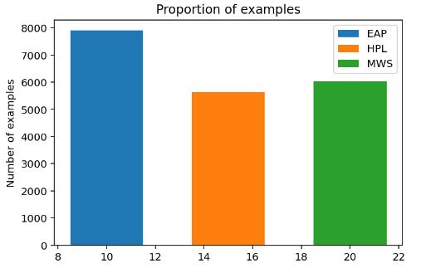

3 | sns.barplot(x = df1.species_name, y = df1.species_count) plt.xlabel('Species Name', fontsize = 15) plt.ylabel('Species Count',fontsize = 15) plt.tick_params(axis = 'both', labelsize=20) plt.title('Distribution of Species Count by Species', fontsize = 20) plt.show()

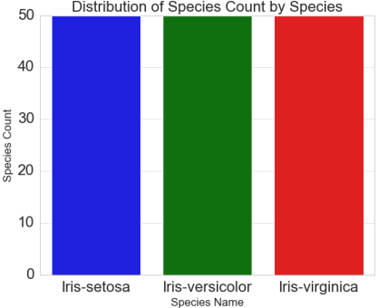

4 | colors = ['b', 'g', 'r'] plt.barh(y = df1.species_name, width= df1.species_count, color = colors) plt.xlabel('Species Name', fontsize = 15) plt.ylabel('Species Count',fontsize = 15) plt.tick_params(axis = 'both', labelsize=20) plt.title('Distribution of Species Count by Species', fontsize = 20) plt.show()

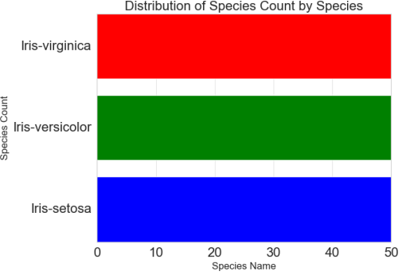

5 | df.plot(kind = 'barh', figsize=(5,10), xlim= (25230, 25260))
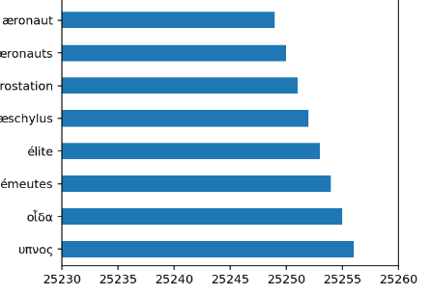

6 | sns.barplot(y = df1.species_name, x = df1.species_count, orient = 'h', order=df1.sort_values('species_count', ascending=False)['species_name'])

Histogram
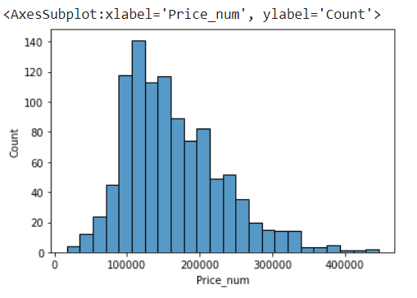
1 | plt.figure() train_data[Numerical Columns].hist(figsize=(20,20)) plt.show()

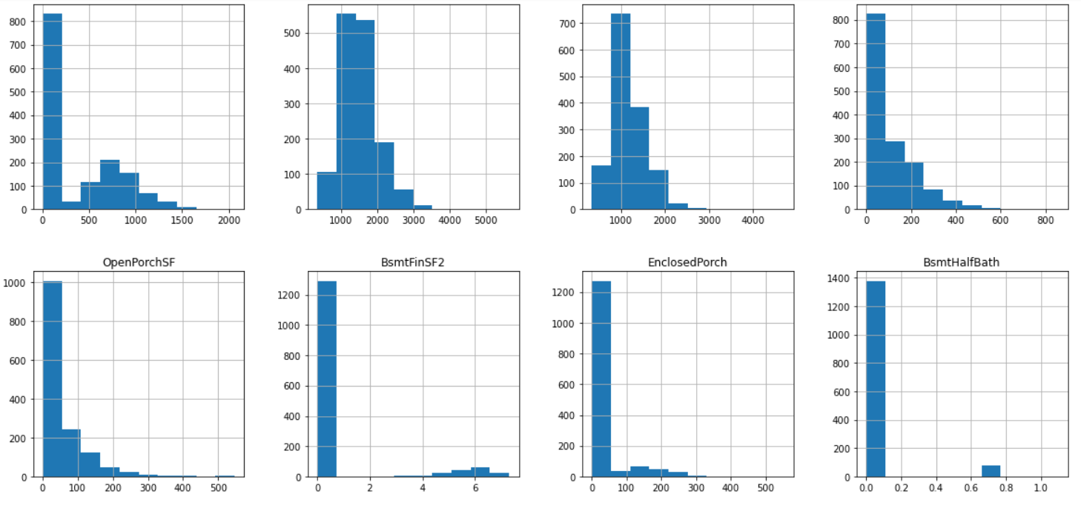

2 | plt.hist(df.Col1_num,color='green',edgecolor='white') plt.show()

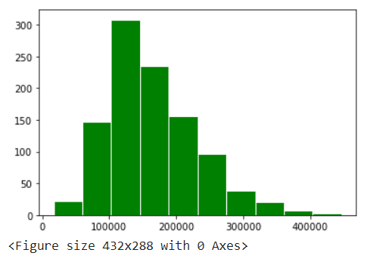

3 | sns.histplot(df.Col1)

